Overview
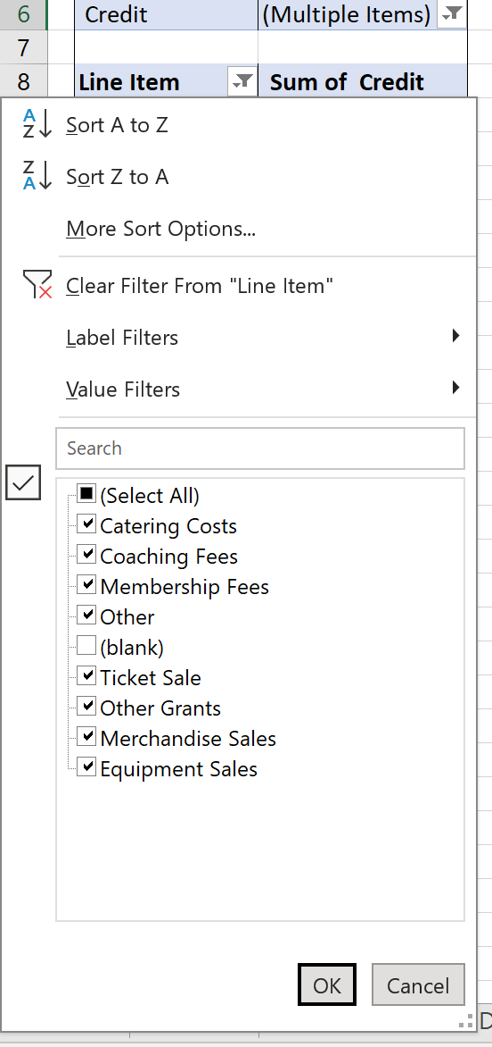
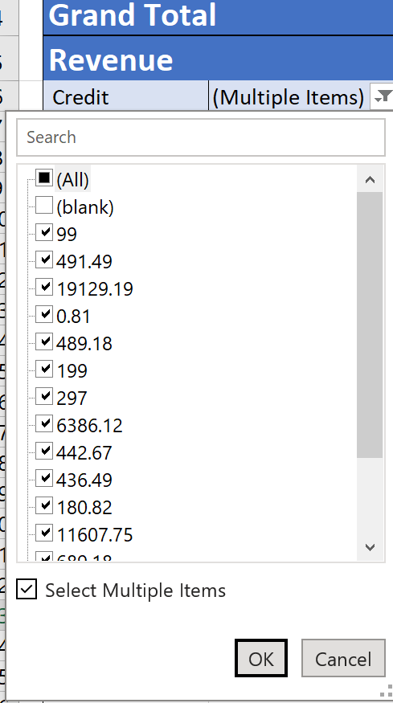
 | Financial Report Overview
 | These templates are optional for clubs to use and serve to outline the minimal requirements for each document. Included are instructions for an Income Statement and Balance Sheet

Income Statement (Profit and Loss)
 | The profit and loss statement is a financial statement that summarizes the revenues, costs and expenses incurred during a specified period. This period should span 1 year between AGMs.
 | Since clubs should have little to no cash handling, all the club's income and expenditure should be accounted for in the club's CommBiz transaction history. Labelling the transactions should produce a rudimentary income statement. The procedure is as follows:
1 | Log into your Club's CommBiz Account
2 | Under "Accounts", select "View Transaction History"
3 | Select your club. For the "Dates" section, select the period between your last and current AGM to capture all the transactions within your reporting period. Leave the other fields empty and click "Show".
4 | Scroll down to the bottom of the page. Select "CSV" as the export format and click "Export Transaction". (It will take a few seconds for the download to start)
5 | Open the file and select all the data. Select the top left cell in the "Income Statement Data" sheet of this document and paste. This should replace the original headings and fill the columns with data. The Line Item column should be on the immediate right of the transaction data.
6 | Label all transactions according to the line items in the dropdown menu. To add more line items, simply add them under the subheading "List of Line Items" on the same sheet.
7 | In the "Data" ribbon, click "Refresh All"
8 | In the "Line Item" filter, select all items except for "(blank)". Do the same for the Value filter. Repeat for both the income and expense columns. This should display the income and expenditure report correctly.

Balance Sheet
 | A balance sheet captures a snapshot of an organisation's financial position. In general, the two major categories of a balance sheet are Assets and Liabilities. The sum of these categories should equal the other if the balance sheet is filled correctly.
 | To create a balance sheet, please refer to the following guides and notes below
a. | Guide to Balance Sheets
 | https://www.capterra.com/resources/how-to-prepare-balance-sheet/
b. | Guide to Balance Sheets for Non-Profits
 | https://donorbox.org/nonprofit-blog/nonprofit-balance-sheet#3-net-assets
c. | Not all line items are relevant to Sport Clubs. For instance, sport clubs should have no owner's equity.
d. | If you are unsure how an asset depreciates, please use the following depreciation calculator on default settings:
 | https://www.calculator.net/depreciation-calculator.html
e. | The Balance Sheet template is edited to only include the most relevant line items to sport clubs. However, clubs are welcome to add and remove items as necessary.

Income Statement
Income Statement
<Sport Club> |  | Reporting Period: <MONTH 20XX to MONTH 20XX>
Revenue
 | Total
Grand Total
Grand Total |  |  | $-
Revenue |  | Expenses
Credit | (Multiple Items) | Debit | (Multiple Items)

Line Item | Sum of Credit | Line Item | Sum of Debit
Grand Total |  | Grand Total

Expenses
 | Total
Grand Total

